Indices

 | Iraq Stock Exchange
 | Bulletin No (95)
 | ISX Trading Indices of Tuesday 2/6/2026

 | Traded Volume and OTC |  | 21,667,139,113 |  | Traded Value and OTC |  | 21,684,216,034 |  | Traders | 1217

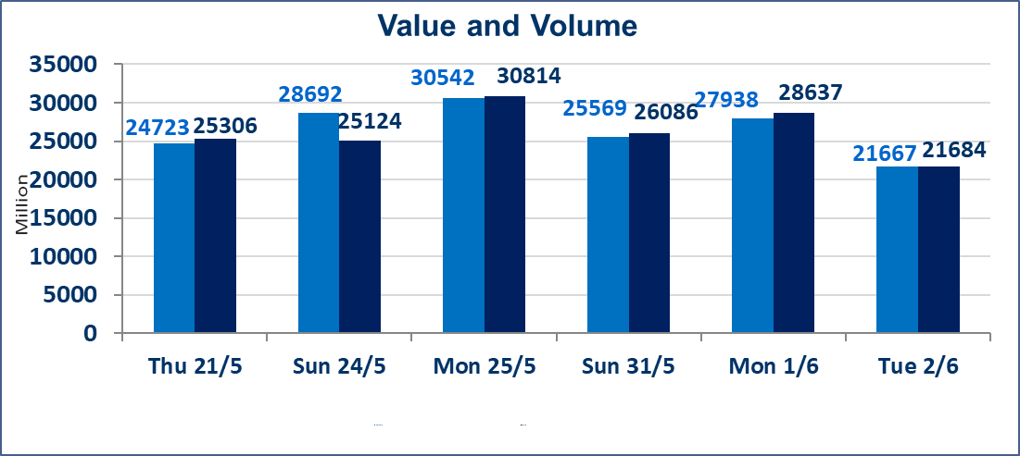
 | ISX Index 60 |  |  | 949.39 | ISX Index 15 |  |  | 1208.53
 | Previous ISX Index60 |  |  | 948.08 | Previous ISX Index15 |  |  | 1193.54
 | Change % |  |  | 0.14 | Change % |  |  | 1.26
 | Change |  |  | 1.31 | Change |  |  | 14.99

 | Listed Companies | 103 | OTC | 14 | Non Traded listed | 38 | OTC | 13
 | Traded Listed Companies | 50 | OTC | 1 | Higher Companies |  |  | 14
 | GAM Companies |  |  | 6 | Lower Companies |  |  | 10
 | Suspended Companies |  |  | 9
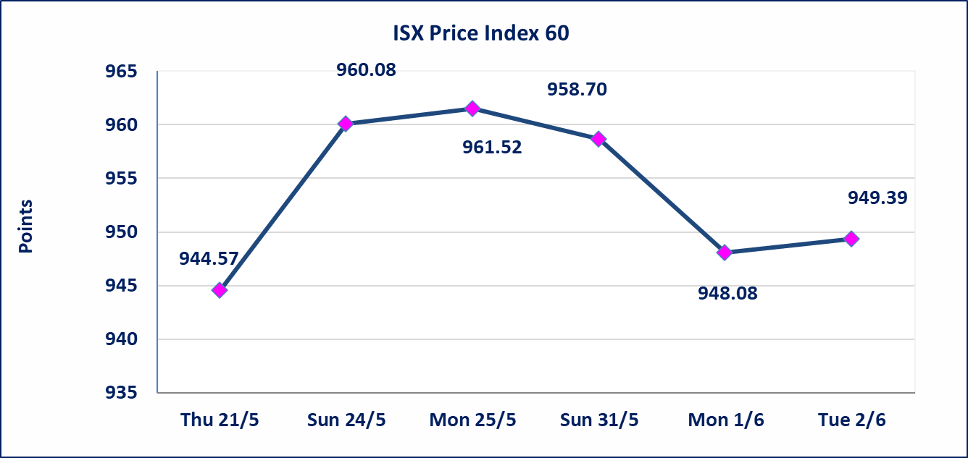
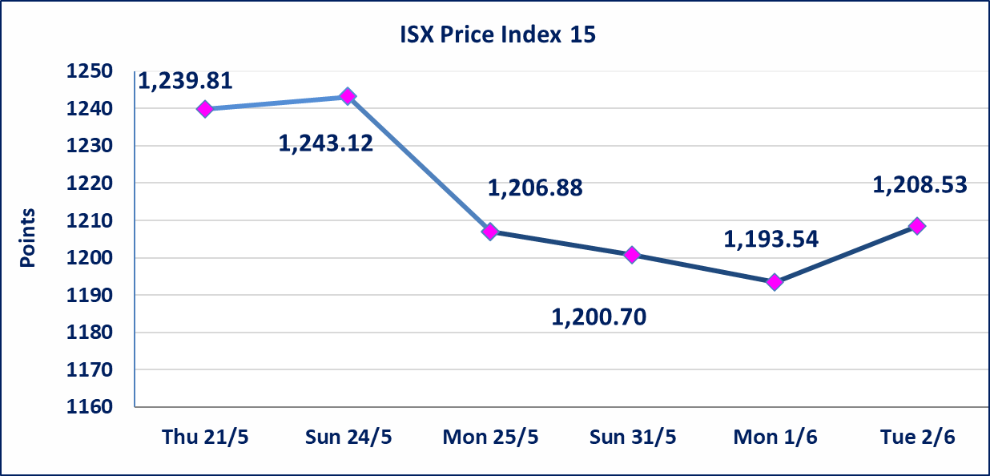

 | special orders | Elaf Brokerage Company executed a deliberate cross order on the shares of Al Qurtas Bank Company with a number of shares (20,612,000,000) shares with a value of (20,612,000,000) dinars, during the additional session time (after 1 pm) in accordance with the procedures for executing large transactions.
Al-Alwiya P.O . 3607 Mobile: 07711211522 - 07270094594 - 07834000034 E-mail: info-isx@isx-iq.net Web site:www.isx-iq.net

Top 5
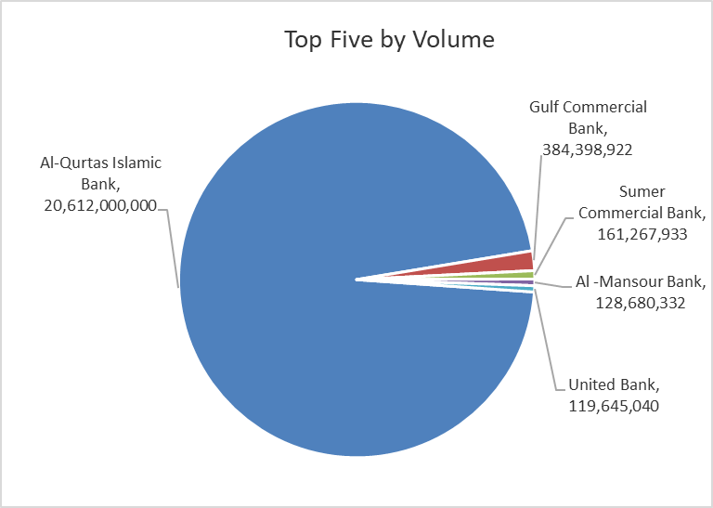
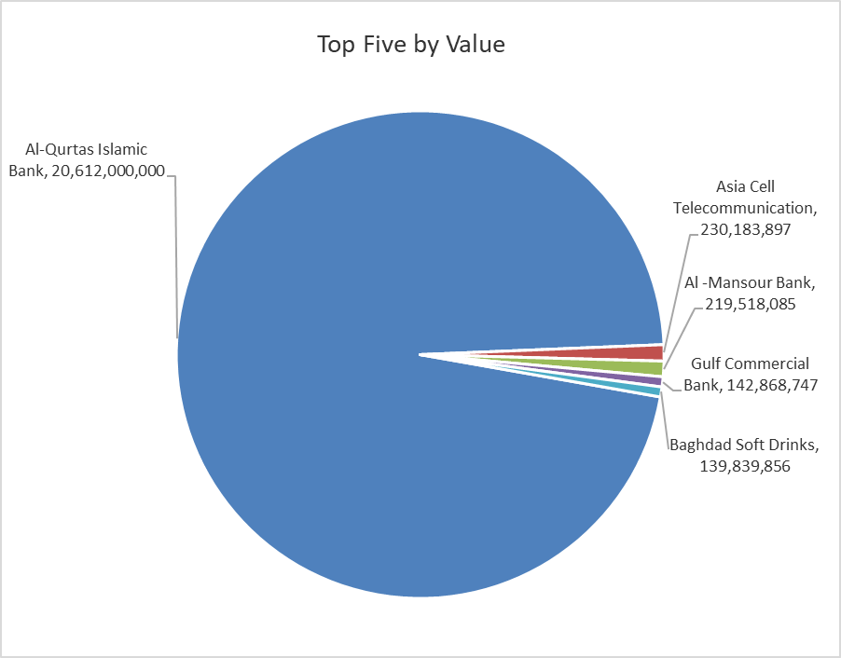

ISX top ganing and losing companies
Tuesday 2/6/2026
 | Gainers |  |  |  | Losers
 | Company Name | Closing Price | Change (%) | Traded Volume | Company Name | Closing Price | Change (%) | Traded Volume
 | Middle East Bank | 0.090 | 12.50 | 45,841,689 | United Bank | 0.050 | -16.67 | 119,645,040
 | Babil Animal & Vegetable Production | 10.800 | 6.93 | 83,021 | Mosul Bank For Investment | 0.140 | -6.67 | 16,529,951
 | Kharkh Tour Amuzement City | 4.990 | 6.85 | 2,000 | Credit Bank Of Iraq | 0.560 | -3.45 | 272,473
 | Mansour Hotel | 71.000 | 4.41 | 54,514 | Ashour Hotel | 28.000 | -3.45 | 9,671
 | Asia Cell Telecommunication | 15.920 | 4.05 | 14,596,073 | Modern for Animal Production | 0.360 | -2.70 | 515,103
 | The most active companies in term of traded volume and value

 | Traded Volume |  |  |  | Traded Value
 | Company Name | Closing Price | Change (%) | Traded Volume | Company Name | Closing Price | Change (%) | Traded Value
 | Al-Qurtas Islamic Bank | 1.000 | 0.00 | 20,612,000,000 | Al-Qurtas Islamic Bank | 1.000 | 0.00 | 20,612,000,000
 | Gulf Commercial Bank | 0.380 | 0.00 | 384,398,922 | Asia Cell Telecommunication | 15.920 | 4.05 | 230,183,897
 | Sumer Commercial Bank | 0.190 | 0.00 | 161,267,933 | Al -Mansour Bank | 1.710 | 0.00 | 219,518,085
 | Al -Mansour Bank | 1.710 | 0.00 | 128,680,332 | Gulf Commercial Bank | 0.380 | 0.00 | 142,868,747
 | United Bank | 0.050 | -16.67 | 119,645,040 | Baghdad Soft Drinks | 6.190 | -0.32 | 139,839,856

Non Iraqis

Iraq Stock Exchange
Non Iraqis' Bulletin Tuesday Jun 2 2026
Regular Market

Non Iraqi Trading of Regular Market (Buy)
Company Names | Code | No.of trades | Traded Shares | Trading Volume
Banks Sector
Al-Mansour Bank | BMNS | 3 | 58,130 | 99,402
Total Bank sector |  | 3 | 58,130 | 99,402
Grand Total |  | 3 | 58,130 | 99,402

Not Trading Bonds

Iraq Stock Exchange
Tuesday 2/6/2026
Not Trading Bonds Bulletin
Bond type | Publish type | Code | last trading price | immortilize date
Banaa Bonds /Million ID | Second | CB20 | 964,981 | 19/12/2025
Eamar Bonds /Million ID | First | CB30 | 1,001,095 | ــــــــــــــــ
Eamar Bonds /Million ID | Second | CB40 | ــــــــــــــــ | ــــــــــــــــ
Eamar Bonds /500 Thousand ID | Third | CB45 | ــــــــــــــــ | ــــــــــــــــ
Eamar Bonds /Million ID | Third | CB50 | ــــــــــــــــ | ــــــــــــــــ
Injaz Bonds /500 Thousand ID | First | CB55 | ــــــــــــــــ | ــــــــــــــــ
Injaz Bonds /Million ID | First | CB60 | 951,110 | ــــــــــــــــ
Injaz Bonds /500 Thousand ID | Second | CB65 | 511,000
Injaz Bonds /Million ID | Second | CB70 | 965,050 | ــــــــــــــــ
Injaz Bonds /500 Thousand ID | Third | CB75 | ــــــــــــــــ | ــــــــــــــــ
Injaz Bonds /Million ID | Third | CB80 | 978,182 | ــــــــــــــــ
National Bonds/Million ID | First | CB90 | ــــــــــــــــ | ــــــــــــــــ
National Bonds/500 Thousand ID | Second | CB95 | ــــــــــــــــ | ــــــــــــــــ
National Bonds/Million ID | Second | CB100 | ــــــــــــــــ | ــــــــــــــــ

